3c - War

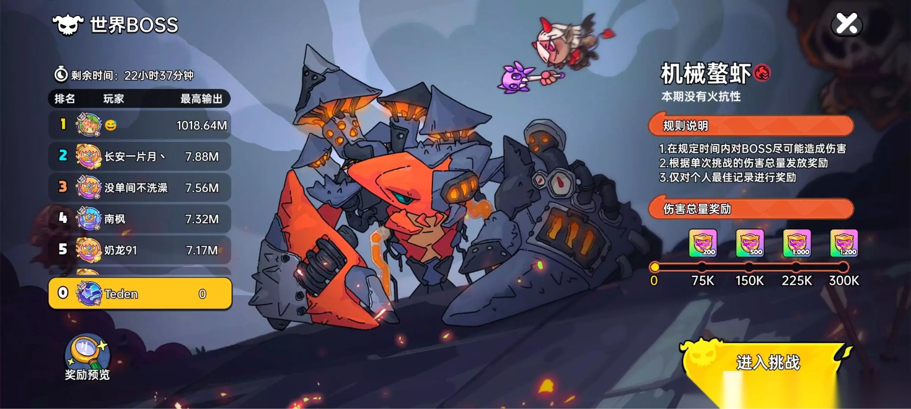
War
 | MRS Boss War
 | Deposit → Earn Attack Points → Fight Boss → Rank Up → Earn Rewards → Return Daily

 | Concept
 | Players defeat powerful world bosses while competing against each other on damage leaderboards

 | Users can earn Attack Points through:
 | Deposits
 | Daily Missions
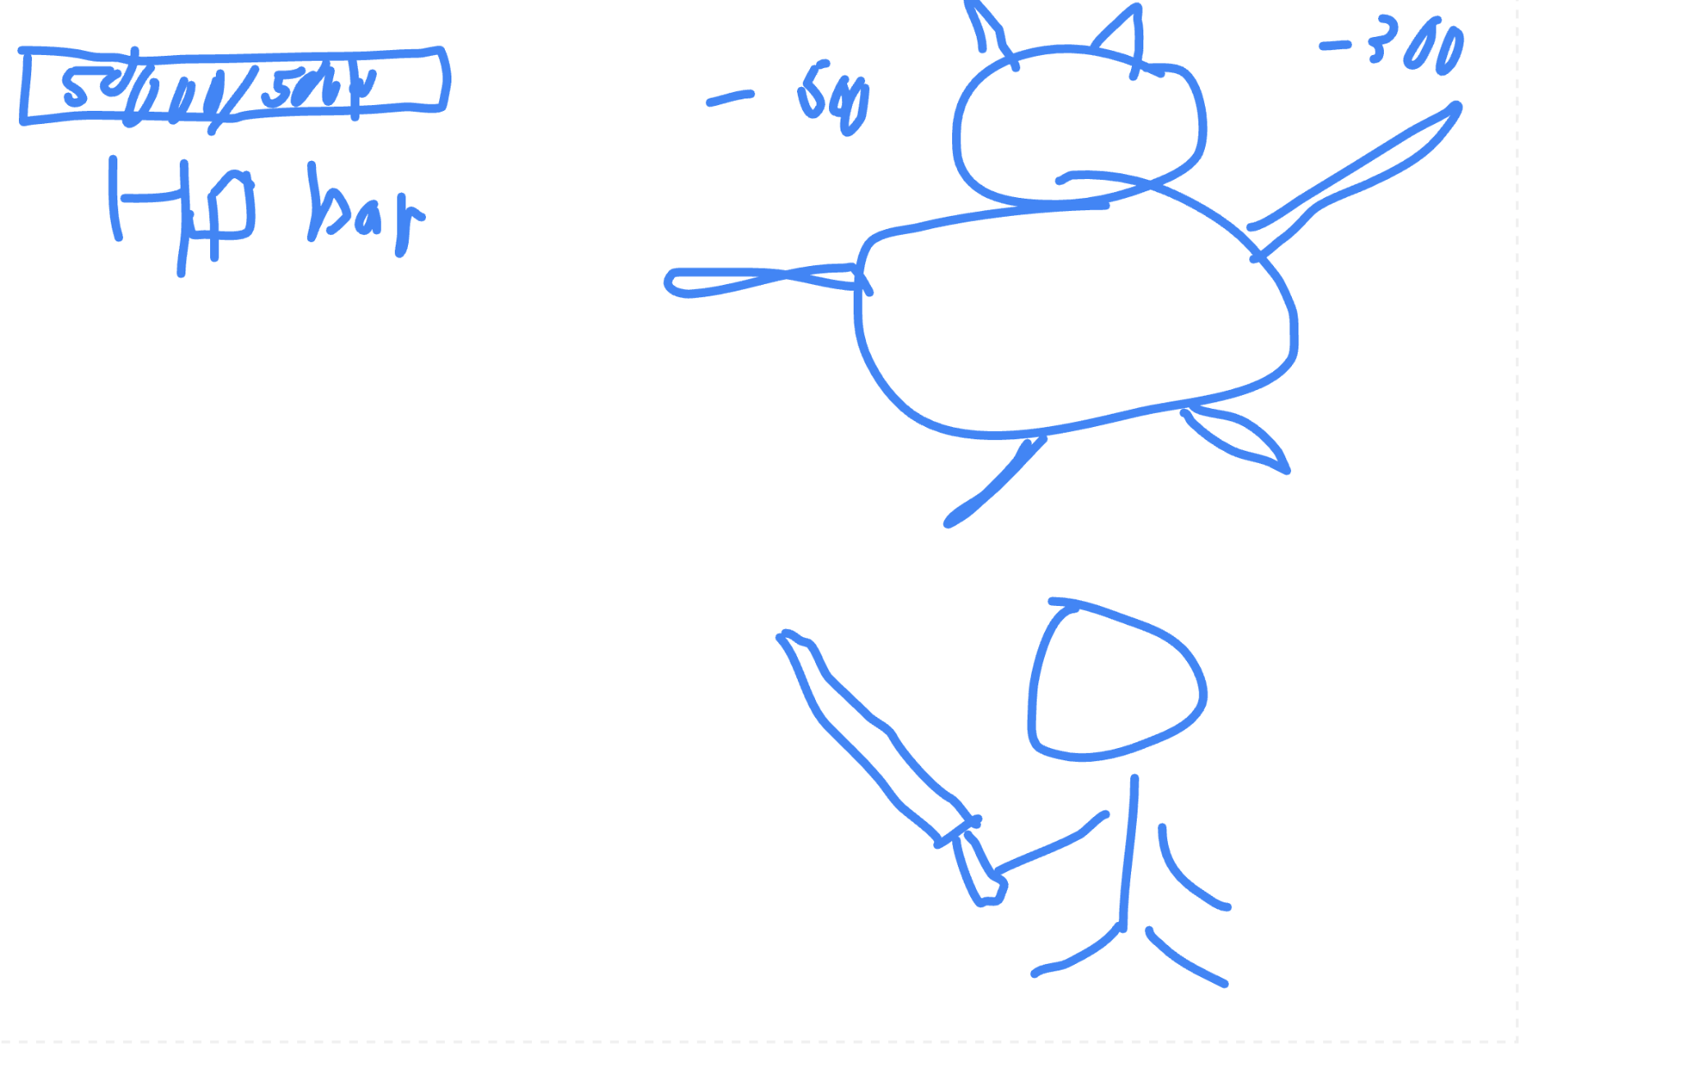
 | Mini Games
 | Login Activities

 | Attack Points are then used to attack bosses and accumulate damage.
 | Higher damage equals better rankings and larger rewards.

 | War
 | Boss Categories |  | Example Bosses
1 | Daily Boss |  | Goblin King
 |  |  | Fire Dragon
 | Purpose: |  | Ice Titan
 | Daily engagement |  | Shadow Demon
 |  |  | Titan Emperor
 | Configuration:
 | HP: 5,000,000
 | Duration: 24 Hours
 | Rewards: Daily Reward Pool

2 | Weekly Boss

 | Purpose:
 | Long-term competition

 | Configuration:

 | HP: 50,000,000
 | Duration: 7 Days
 | Larger Reward Pool

3 | Event Boss

 | Purpose:
 | Marketing Campaigns & Seasonal Events

 | Configuration:

 | HP: 100,000,000+
 | Limited Time
 | Exclusive Rewards

 | Attack System
1 | Basic Attack Logic

 | Every Attack Point consumed performs one attack.

 | Damage Range:

 | 100 – 500 Damage

 | Formula:

 | Damage = Random(100~500)

2 | Critical Hit System

 | Base Critical Chance: 10%

 | Critical Multiplier:

 | 2x Damage

 | Example:
 | Normal Damage: 300
 | Critical Damage: 600

 | VIP Advantage System

 | To encourage deposits, VIP levels receive combat advantages.

 | VIP Level | Critical Rate | Damage Bonus
 | VIP 0 | 10% | 1.0x
 | VIP 1 | 12% | 1.1x
 | VIP 3 | 15% | 1.2x
 | VIP 5 | 20% | 1.5x
 | VIP 8 | 25% | 2.0x

 | Benefits:
 | Faster ranking progression
 | Higher contribution scores
 | Increased competitiveness

 | Attack Point Economy
 | Free Acquisition
 | Action | Attack Points
 | Daily Login | 1
 | Daily Check-In | 1
 | Complete 3 Missions | 2
 | Complete All Missions | 3

 | Deposit Rewards
 | Deposit Amount | Attack Points
 | RM30 | 2
 | RM50 | 4
 | RM100 | 10
 | RM300 | 35
 | RM500 | 70

 | Ranking System
 | Damage Leaderboard

 | Ranking based on:

 | Total Damage Contribution

 | Ranking Rewards
 | Rank | Reward Tier
 | Top 1 | Legendary Reward
 | Top 10 | Epic Reward
 | Top 100 | Premium Reward
 | Top 1000 | Participation Bonus
 | All Participants | Basic Reward

 | Reward System
1 | Boss Kill Rewards
 | Distributed after boss defeat.

 | Allocation based on:
 | Contribution Percentage
 | Example:

 | Reward Share = Personal Damage / Total Boss Damage

 | Ranking Rewards

 | Distributed after event ends.

2 | Participation Rewards
 | Every participant receives rewards.

 | Admin System
 | Boss Management

 | Admin can:

 | Create Boss
 | Edit HP
 | Set Duration
 | Configure Reward Pool
 | Schedule Events
 | Attack Configuration

 | Admin can configure:

 | Deposit → Attack Mapping
 | Mission Rewards
 | Event Multipliers
 | Damage Configuration

 | Admin controls:

 | Minimum Damage
 | Maximum Damage
 | Critical Rate
 | VIP Bonuses
 | Reward Configuration

 | Admin controls:

 | Ranking Rewards
 | Participation Rewards
 | Kill Rewards
 | Seasonal Rewards

